Fraud Dispute
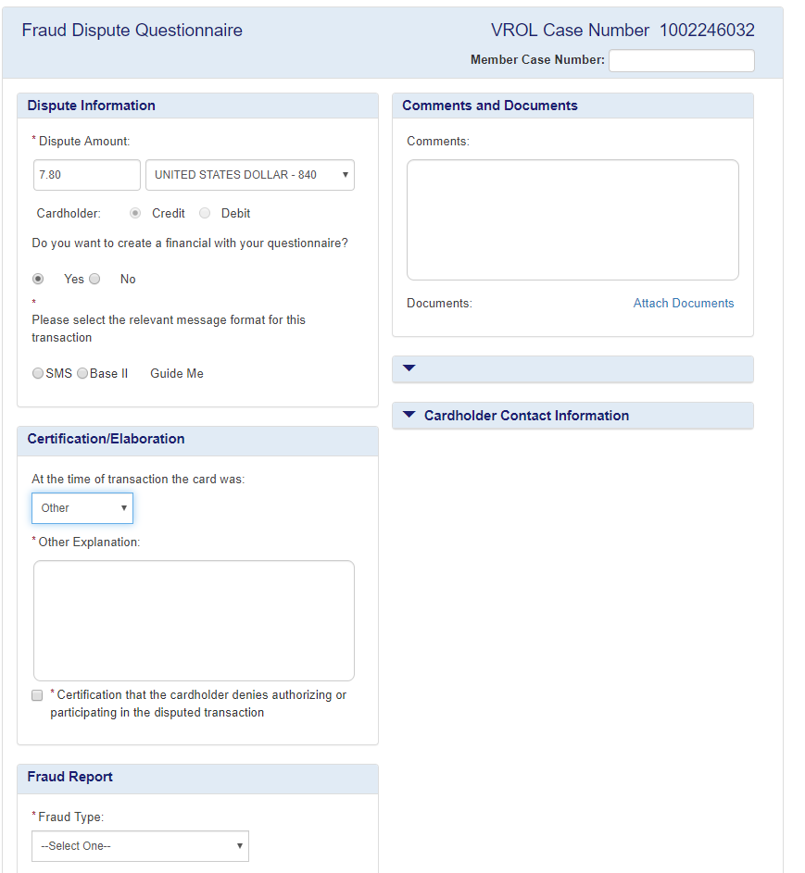

Both elements retired

Processing Error dispute
Late Presentment (Interlink Network) | Duplicate/Paid By other means( ‘Are both transactions for the same merchant and on the same card? = Yes’ ) | Duplicate/Paid By other means ('Is the other transaction for the same merchant and on a different Visa Card owned by the same Issuer/Cardholder?' = Yes) | Duplicate/Paid By other means ('Is the other transaction for the same merchant and on a different Visa Card owned by the same Issuer/Cardholder?' = No)
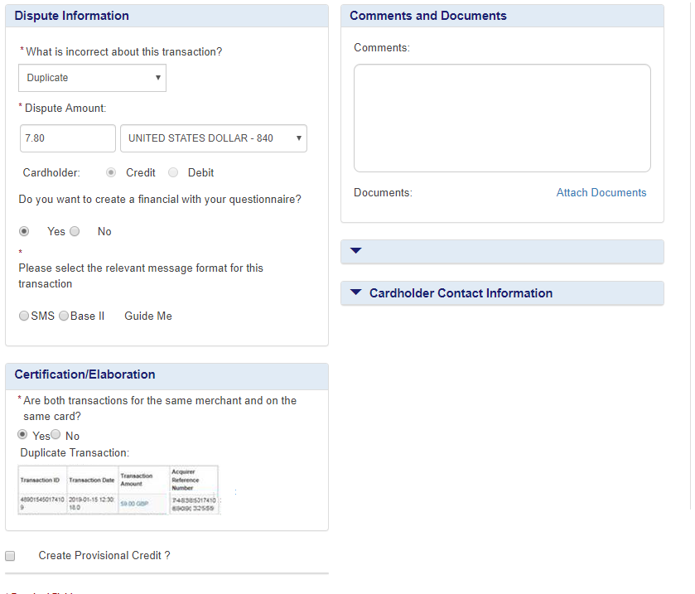
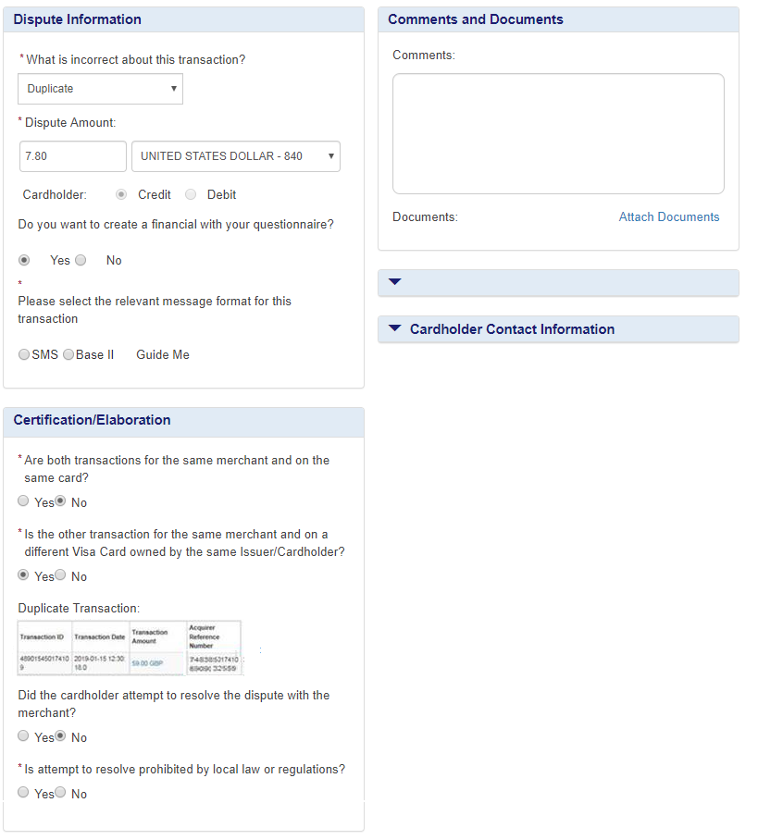
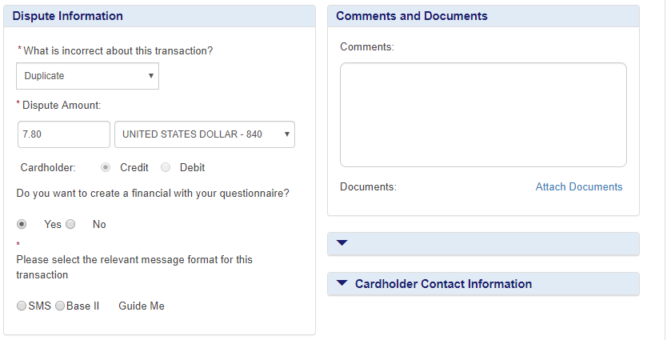
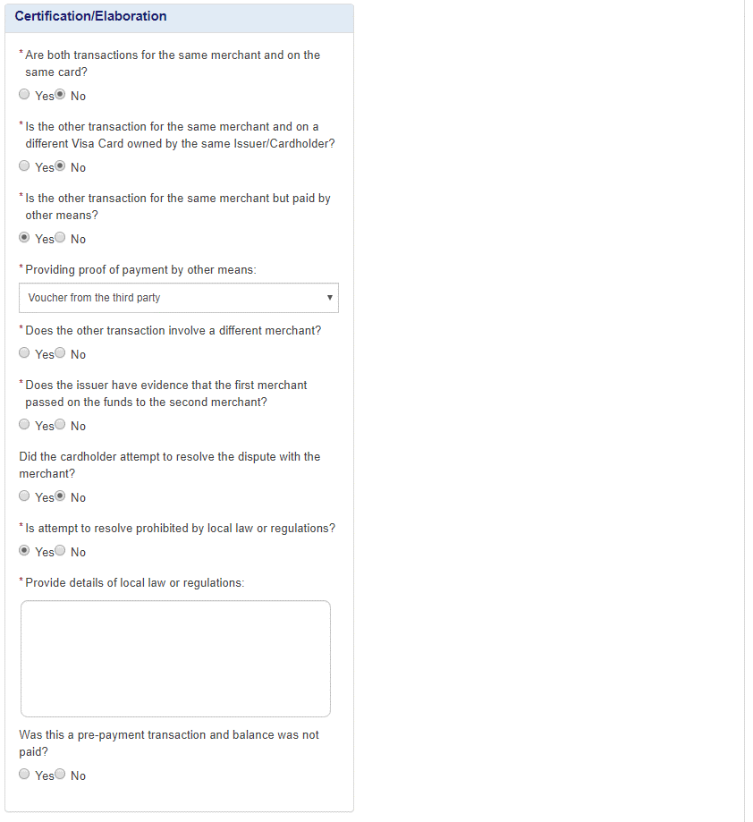
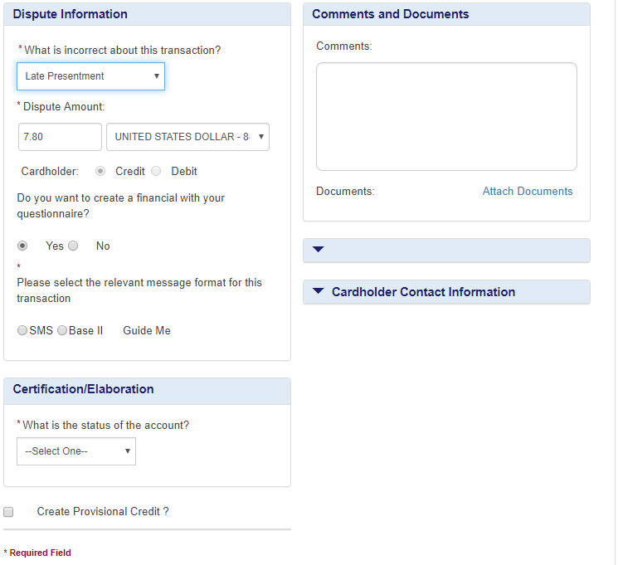

Display static text if an adjustment processing Date > 45 calendar days from Transaction Date “Processing Date is more than 45 days from the Transaction Date ”

Display static text if Processing Date > 10 calendar days from Transaction Date. “Processing Date is more than 10 days from the Transaction Date”

Domain Values:
Account Closed,
Non-sufficient Funds
ARN added in the table for duplicate transaction.
Change th title to ' Is the other transaction paid by other means?'

ARN added in the table for duplicate transaction.
Retired
Display when 'Providing proof of payment by other means: = Voucher from third party’
On select yes, the Documents are required.
On select no, display a hard-stop error and block the dispute.

Both elements added

Both elements retired

Consumer Error dispute
13.1 - Merchandise/Services Not Received | 13.3 Not as described | 13.3 Quality | 13.3 Damaged/Defective | 13.3 Terms of Contract | 13.5 Misrepresentation - Services | 13.5 Misrepresentation - Merchandise | 13.7 Cancelled Merchandise/Services | 13.9 Non-Receipt of Cash/Load
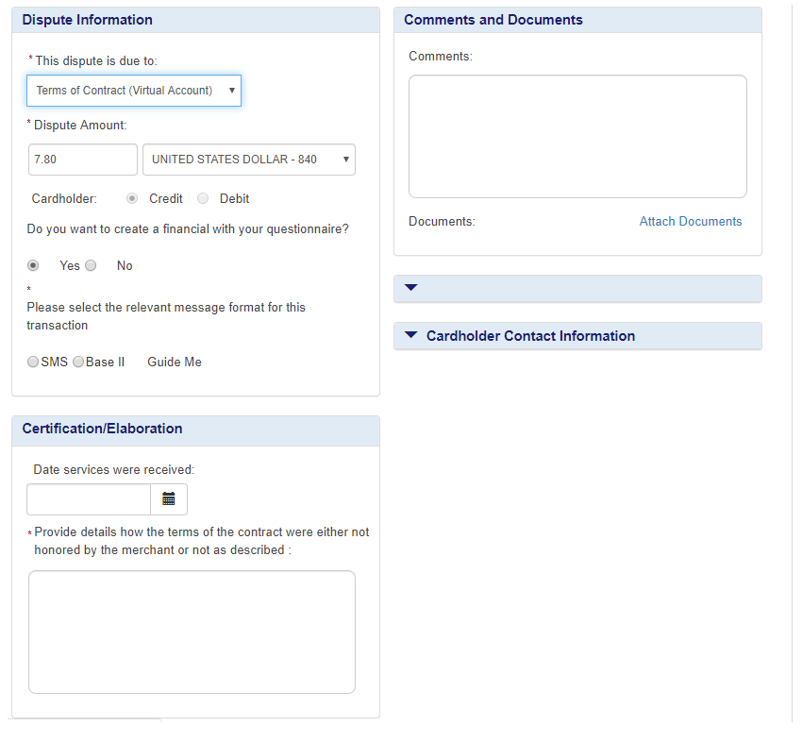
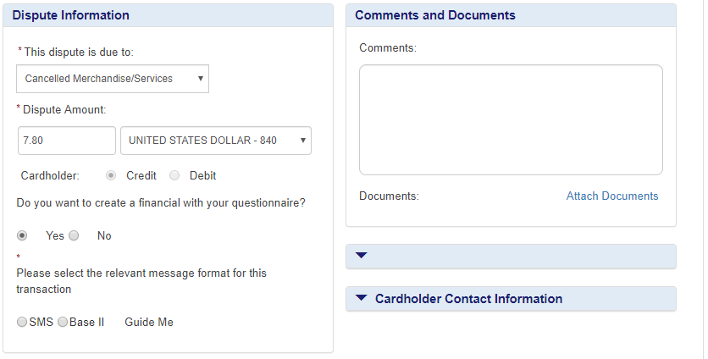
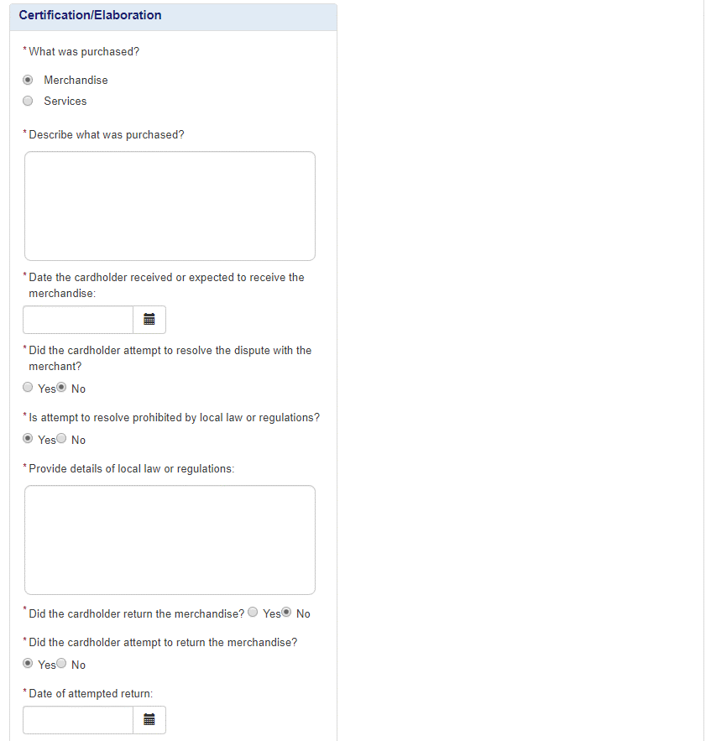
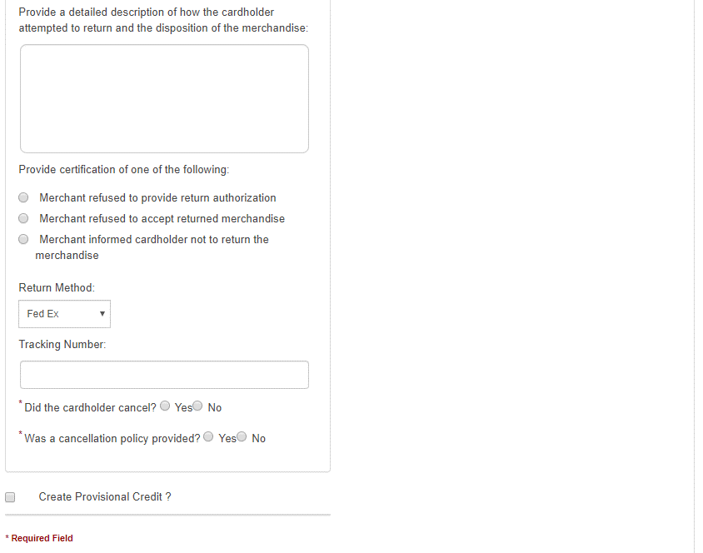
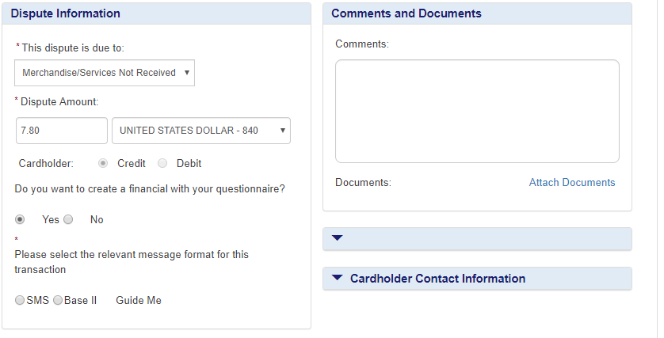
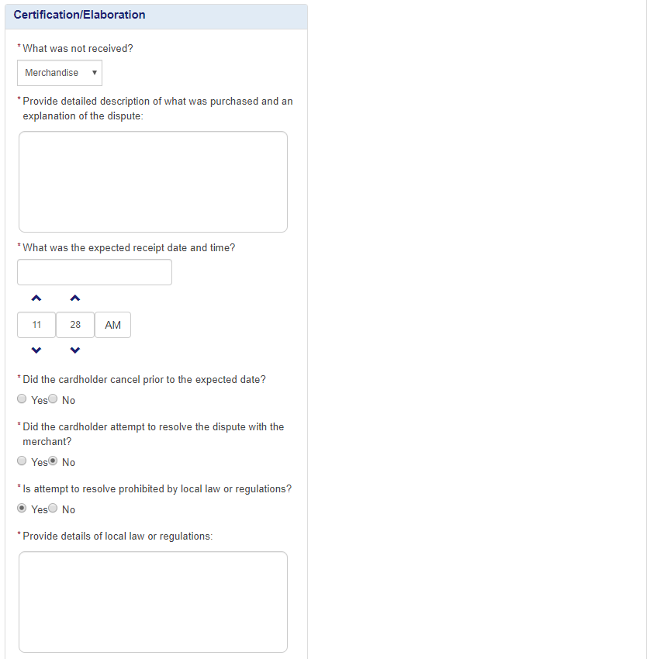
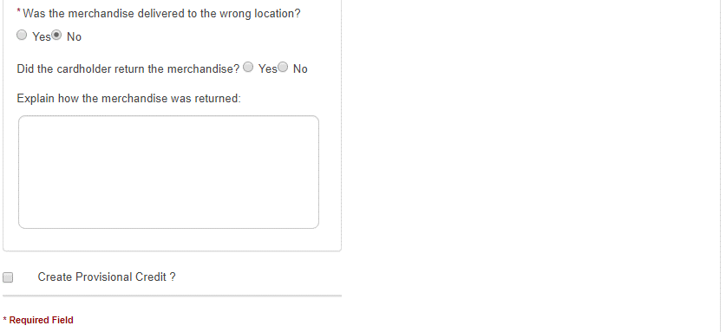
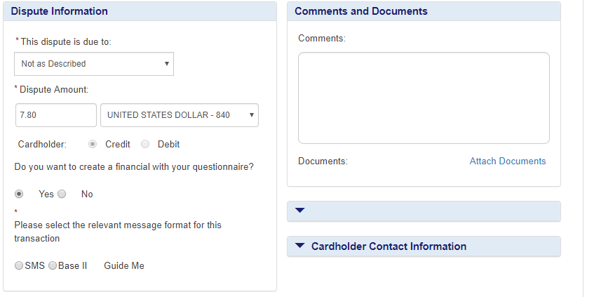
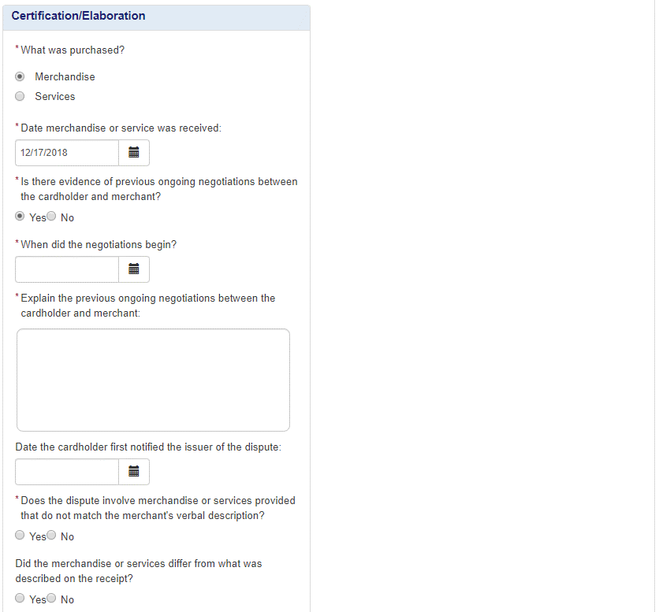
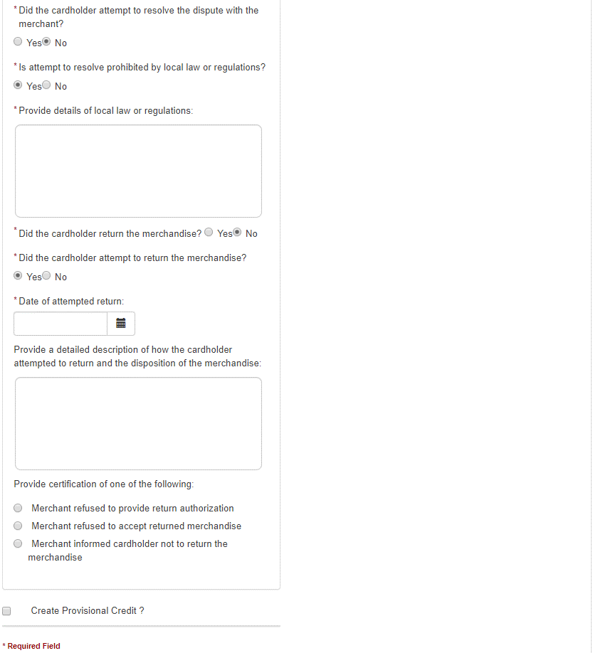
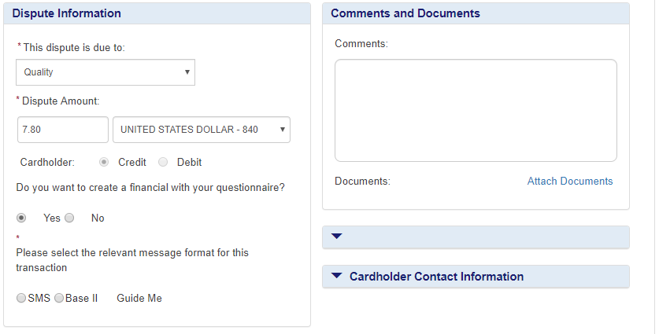
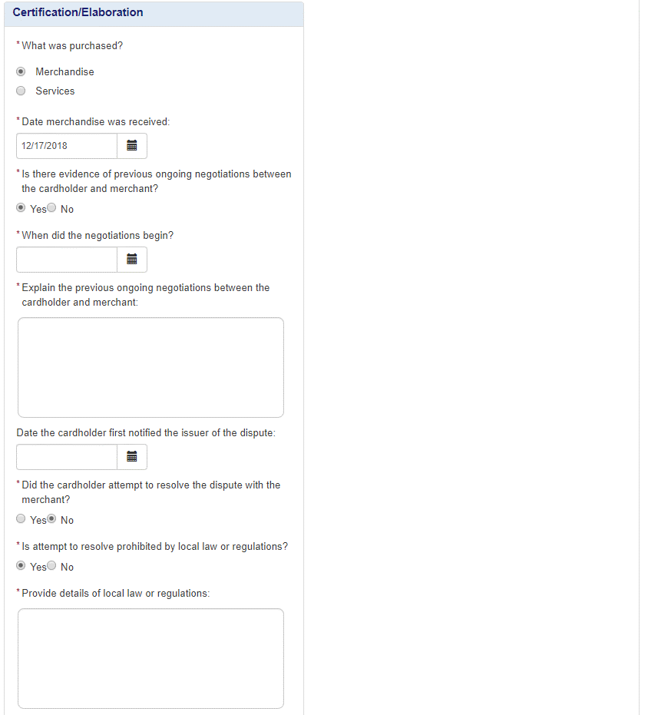
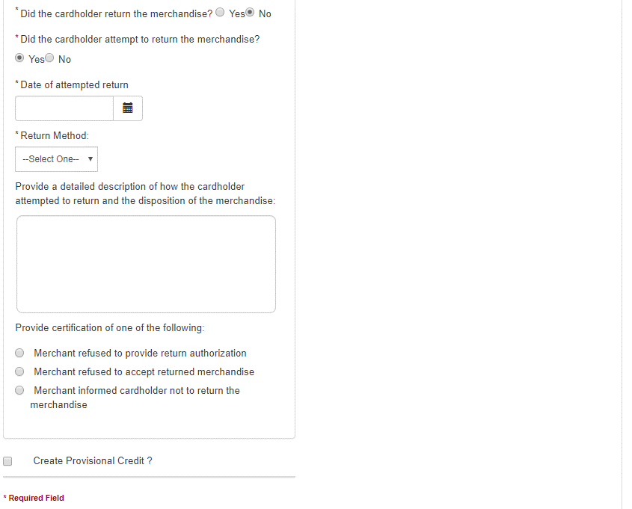
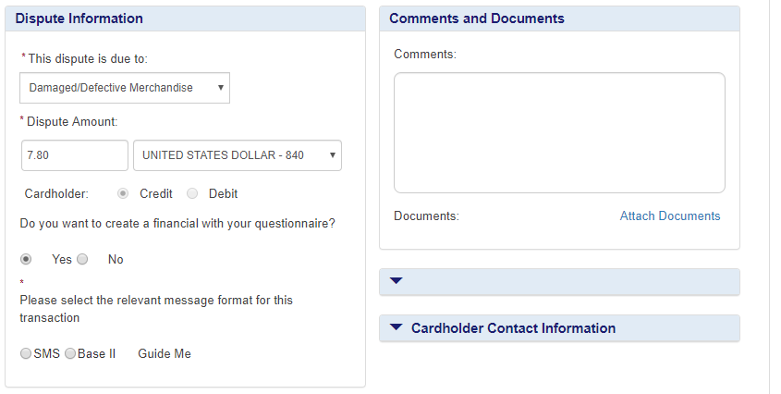
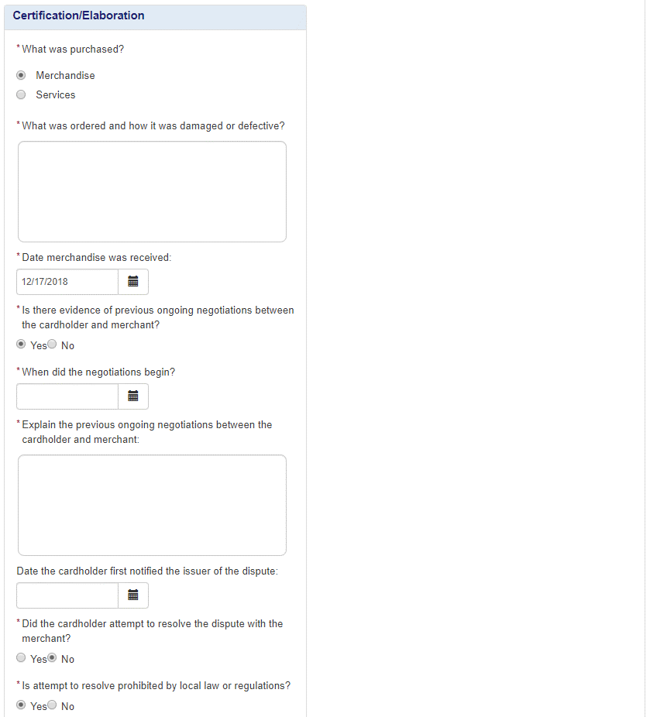
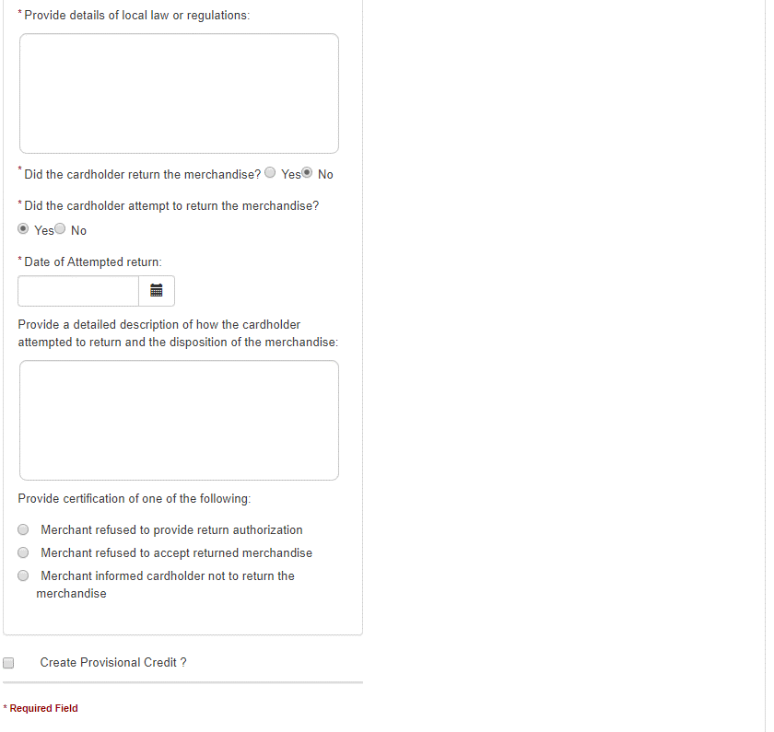
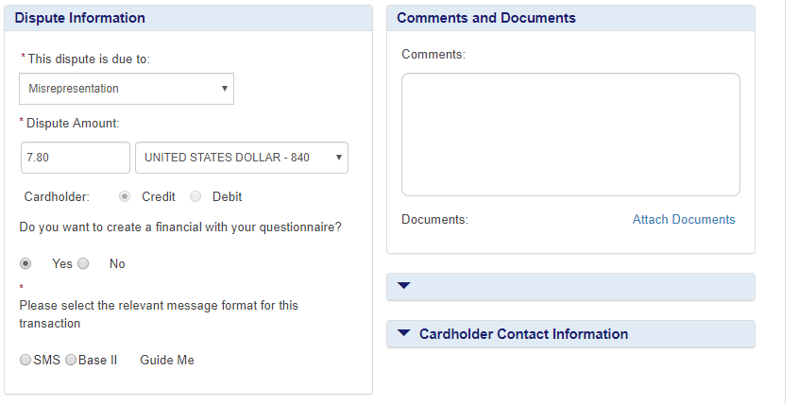
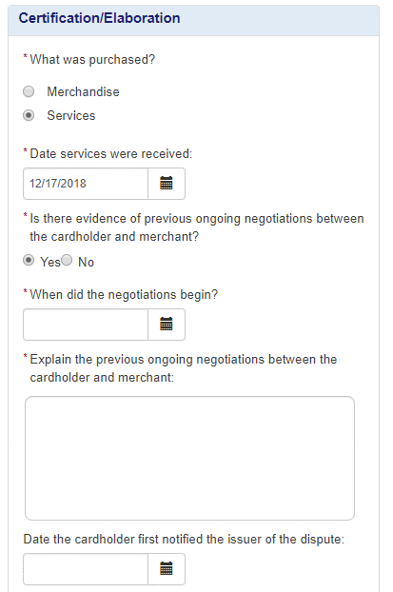
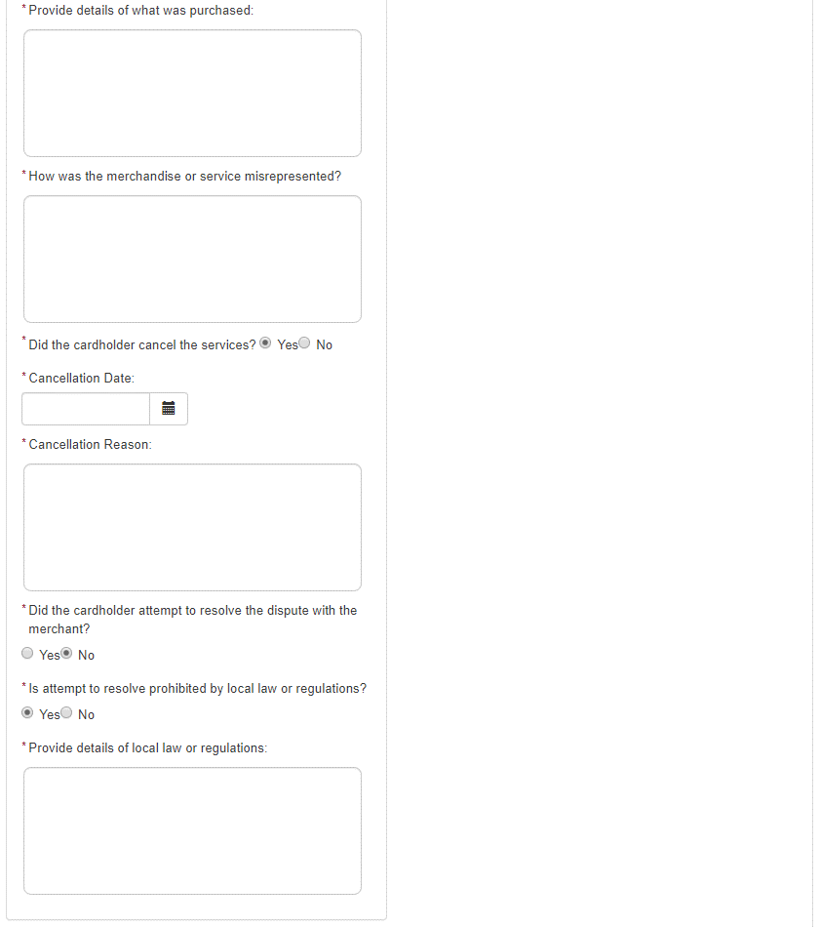

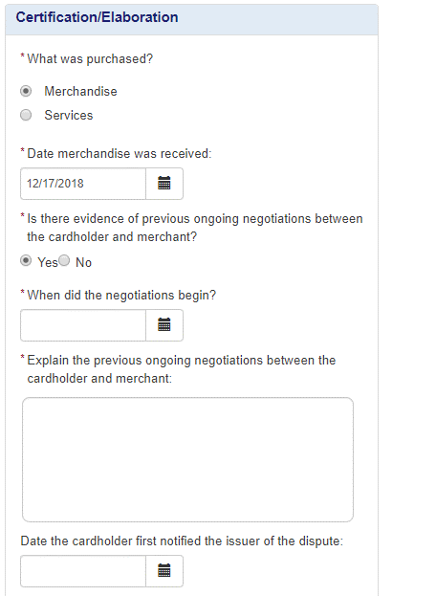
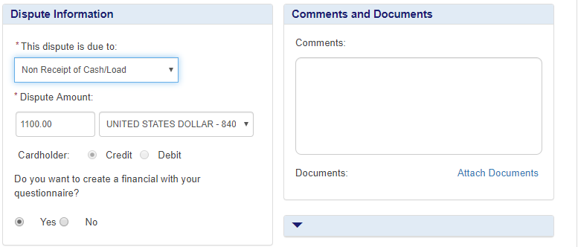

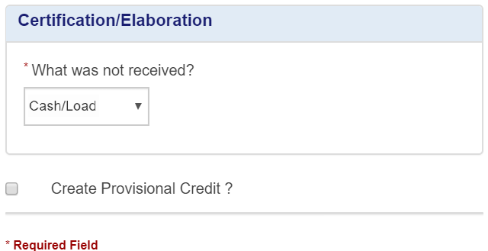

New certification added. VROL auto-populates this question with ‘Cash/Load’ .

Required if dispute is initiated after 120 days from CPD. Optional if dispute is initiated within 120 days of CPD.
Retired.

Changed to required element.
Display if 'Is there evidence of previous ongoing negotiations between the cardholder and merchant?' = Yes. Changed it to required when displayed

 |  |  |  |  |  | Changed display condition for certification

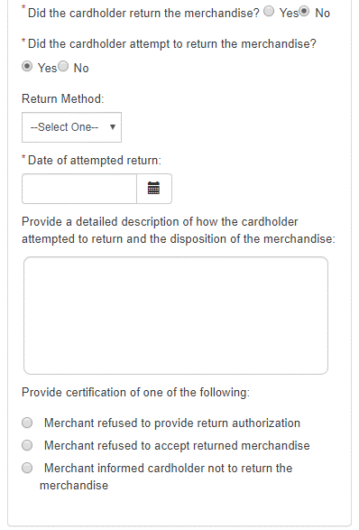

Display if 'Is there evidence of previous ongoing negotiations between the cardholder and merchant?' = Yes. Changed it to required when displayed. (Merchandise/Services)
Display if 'Is there evidence of previous ongoing negotiations between the cardholder and merchant?' = Yes. Changed it to required when displayed
Display if 'Is there evidence of previous ongoing negotiations between the cardholder and merchant?' = Yes. Changed it to required when displayed. (Merchandise only element)
Retired

Display if 'Is there evidence of previous ongoing negotiations between the cardholder and merchant?' = Yes. Changed it to required when displayed
Retired for both Merchandise/Services

Retired for both Merchandise/Services

Display only when ''Did the cardholder attempt to return the merchandise?' = Yes. Optional element
Display only when ' 'Was the merchandise delivered to the wrong location? = No' (Merchandise only element)

Retired for both Merchandise/Services
Retired
Retired. (Merchandise only element)

 |  |  |  |  |  | New elements + Tracking number optional
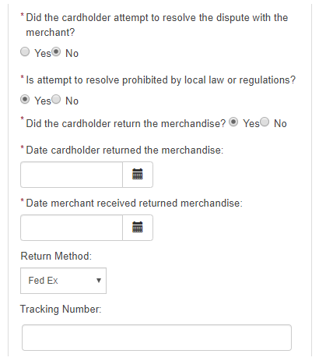
Display only when ''Did the cardholder attempt to return the merchandise?' = Yes. Optional element

Both these elements ar now available for merchandise

Changed to optional

Display only when ''Did the cardholder attempt to return the merchandise?' = Yes. Made Optional element.(Merchandise only element)
Display only when ''Did the cardholder attempt to return the merchandise?' = Yes. Made Optional element(merchandise only element)
Retired

Display only when ''Did the cardholder attempt to return the merchandise?' = Yes. Optional element

Changed to optional

Dispute Response
Processing error - 12.1,12.4,12.5, 12.6.1, 12.6.2,12.7 | Consumer 13.4,13.9 - Invalid Dispute | Consumer -13.1 compelling evidence
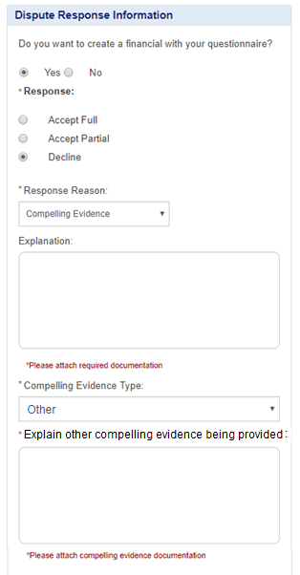
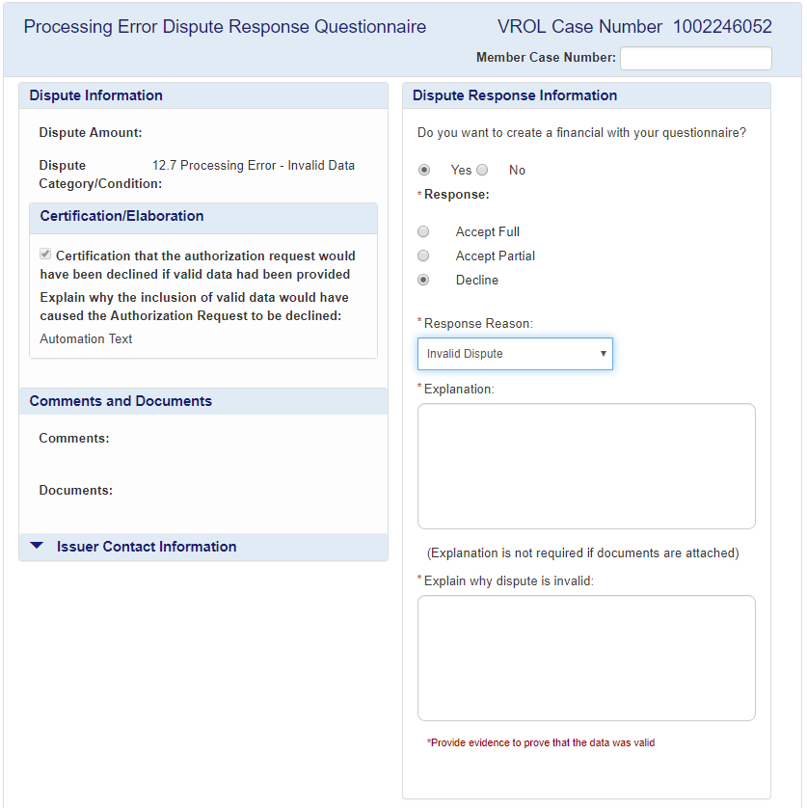
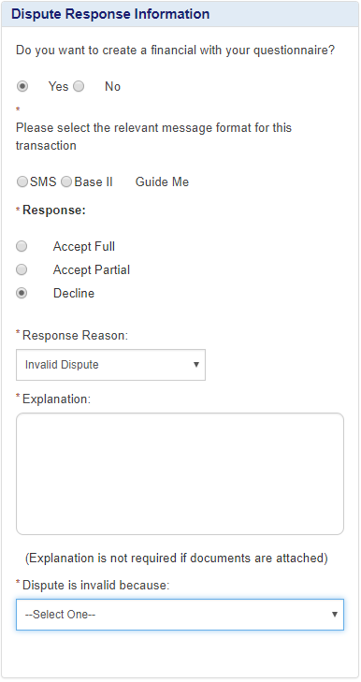

New domain value 'Other'added

New textbox added for explanation

Retired

'Cardholder did not attempt to return merchandise' is not applicable to 13.4,13.9
 | Domain values

Pre-arbitration
10.4 - Compelling Evidence | 10.1,10.4, 11.2, 11.3 - Prearb Reason
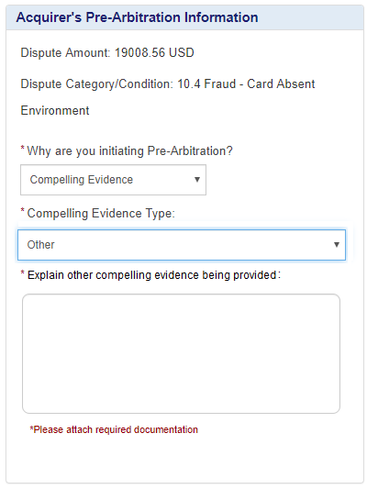
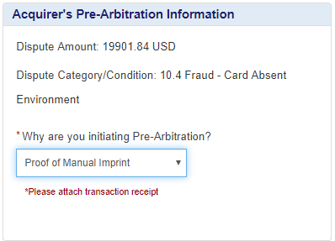

'Proof of Manual Imprint' is applicable only for 10.3 nonEU disputes

New domain value 'Other'added

New textbox added for explanation

